MICHAEL KORS SWITZERLAND
MICHAEL KORS SWITZERLAND
PHOTOS | REF & SIZES | GENDER | CAT | SUB CAT | QTY | RETAIL | TOTAL | DESCR | NAME | COLOR | SIZE | COMPO | SEASON | EAN | HS CODE | MADE IN
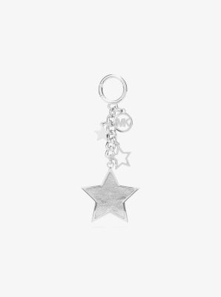 | 35F5SGFK7M-SILVER-OS | Women | ACCESS | MULTI STAR KEYFOB | 40 | 95.00 € | 3,800.00 € | 35F5SGFK7M-SILVER | GIFTABLES | SILVER | OS | 60% POLYURETHANE, 40 % POLYESTER | 25F | 197853810631 | 7326.90.9890 | Philippines
 |  |  | Total ACCESS |  | 40 | 95.00 € | 3,800.00 €
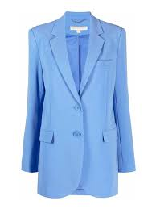 | MR3100CENX-Crew Blue-2 | Women | Apparel | 2 BTTN MENSY BLAZER | 2 | 295.00 € | 590.00 € | MR3100CENX-Crew Blue | JACKETS | Crew Blue | 2 | 70% TRIACETATE, 30% POLYESTER | 23F | 196237233202 | 6204.39.1900 | China
 | MR3100CENX-Crew Blue-4 |  |  |  | 2 | 295.00 € | 590.00 € |  |  |  | 4 |  |  | 196237233219
 | MR3100CENX-Crew Blue-6 |  |  |  | 2 | 295.00 € | 590.00 € |  |  |  | 6 |  |  | 196237233226
 | MR3100CENX-Crew Blue-8 |  |  |  | 2 | 295.00 € | 590.00 € |  |  |  | 8 |  |  | 196237233233
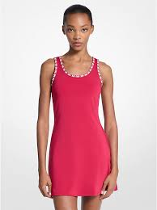 | JT5833K41S-DARKRASPBERRY-L | Women |  | BINDING SCOOP NCK TNK DRS | 2 | 225.00 € | 450.00 € | JT5833K41S-DARKRASPBERRY | JACKETS | DARKRASPBERRY | L | 75% POLYESTER, 25% E LASTANE | 25T | 197853723696 | 6104.43.0000 | China
 | JT5833K41S-DARKRASPBERRY-M |  |  |  | 3 | 225.00 € | 675.00 € |  |  |  | M |  |  | 197853723689
 | JT5833K41S-DARKRASPBERRY-S |  |  |  | 3 | 225.00 € | 675.00 € |  |  |  | S |  |  | 197853723672
 | JT5833K41S-DARKRASPBERRY-XS |  |  |  | 3 | 225.00 € | 675.00 € |  |  |  | XS |  |  | 197853723665
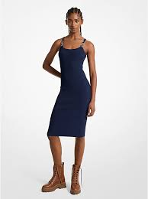 | JT5833K41S-MIDNIGHTBLUE-L | Women | Apparel | BINDING SCOOP NCK TNK DRS | 2 | 225.00 € | 450.00 € | JT5833K41S-MIDNIGHTBLUE | JACKETS | MIDNIGHTBLUE | L | 75% POLYESTER, 25% E LASTANE | 25T | 197853723597 | 6104.43.0000 | China
 | JT5833K41S-MIDNIGHTBLUE-M |  |  |  | 4 | 225.00 € | 900.00 € |  |  |  | M |  |  | 197853723580
 | JT5833K41S-MIDNIGHTBLUE-S |  |  |  | 3 | 225.00 € | 675.00 € |  |  |  | S |  |  | 197853723573
 | JT5833K41S-MIDNIGHTBLUE-XL |  |  |  | 2 | 225.00 € | 450.00 € |  |  |  | XL |  |  | 197853723603
 | JT5833K41S-MIDNIGHTBLUE-XS |  |  |  | 1 | 225.00 € | 225.00 € |  |  |  | XS |  |  | 197853723566
 | JR520GXGZ8-BLACK-M | Women | Apparel | DB JACQUARD TRENCH | 2 | 395.00 € | 790.00 € | JR520GXGZ8-BLACK | JACKETS | BLACK | M | 100% POLYESTER | 25R | 197853288324 | 6202.40.1019 | China
 | JR520GXGZ8-BLACK-S |  |  |  | 1 | 395.00 € | 395.00 € |  |  |  | S |  |  | 197853288317
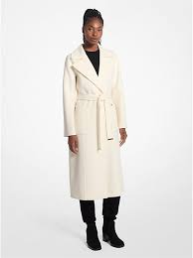 | 77C5935M22-BONE-L | Women | Apparel | DFW ROBE COAT | 1 | 489.00 € | 489.00 € | 77C5935M22-BONE | JACKETS | BONE | L | 80% WOOL 18% POLYESTER 2% OTHERS | 23F | 723088739784 | 6202.20.0091 | China
 | 77C5935M22-BONE-S |  |  |  | 1 | 489.00 € | 489.00 € |  |  |  | S |  |  | 723088739760
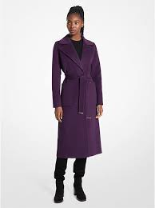 | 77C5935M22-DARK IRIS-L | Women | Apparel | DFW ROBE COAT | 1 | 489.00 € | 489.00 € | 77C5935M22-DARK IRIS | JACKETS | DARK IRIS | L | 80% WOOL 18% POLYESTER 2% OTHERS | 23F | 197957145356 | 6202.20.0091 | China
 | 77C5935M22-DARK IRIS-XL | Women |  |  | 1 | 489.00 € | 489.00 € |  |  |  | XL |  |  | 197957145363
 | 77C5935M22-DARK IRIS-XS | Women |  |  | 1 | 489.00 € | 489.00 € |  |  |  | XS |  |  | 197857145325
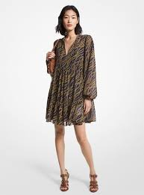 | MS381JZ8EV-MIDNIGHTBLUE-XS | Women | Apparel | EQ BIAS CHAIN TENTY DRS | 1 | 310.00 € | 310.00 € | MS381JZ8EV-MIDNIGHTBLUE | JACKETS | MIDNIGHTBLUE | XS | 55% RECYCLED POLYEST ER, 45% POLYESTER | 23S | 196163804514 | 6204.43.0000 | China
 | 77A7036M12-BONE-XS | Women | Apparel | JACKETS | 1 | 450.00 € | 450.00 € | 77A7036M12-BONE | JACKETS | BONE | XS | 0 | 0 | 197857261803 | 6202.20.0019 | 0
 | 77C1272M52-CAMEL-L | Women | Apparel | JACKETS | 1 | 449.00 € | 449.00 € | 77C1272M52-CAMEL | JACKETS | CAMEL | L | 0 | 0 | 723088741404 | 4203.10.0000 | 0
 | 77C5920M42-CRIMSON-XS | Women | Apparel | JACKETS | 1 | 400.00 € | 400.00 € | 77C5920M42-CRIMSON | JACKETS | CRIMSON | XS | 0 | 0 | 723088772248 | 6202.99.0090 | 0
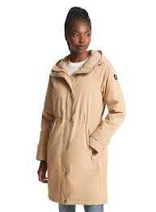 | 77C6072M32-CHAMPAGNE-S | Women | Apparel | JACKETS | 1 | 400.00 € | 400.00 € | 77C6072M32-CHAMPAGNE | JACKETS | CHAMPAGNE | S | 0 | 0 | 197957025986 | 6202.99.0090 | 0
 | 77C6072M32-MIDNIGHTBLUE-XL | Women | Apparel | JACKETS | 1 | 400.00 € | 400.00 € | 77C6072M32-MIDNIGHTBLUE | JACKETS | MIDNIGHTBLUE | XL | 0 | 0 | 723088737001 | 6202.99.0090 | 0
 | 77C6072M32-MIDNIGHTBLUE-XXS |  |  |  | 1 | 400.00 € | 400.00 € |  |  |  | XXS |  |  | 723088736950
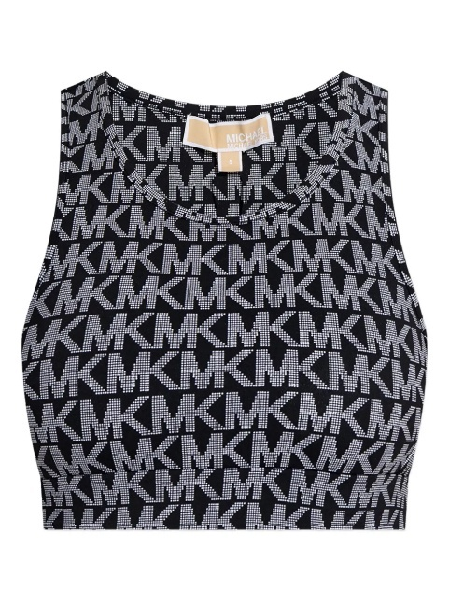 | JT551RXJHL-MIDNIGHTBLUE-L | Women | Apparel | LOGO PRT V NK TANK | 2 | 125.00 € | 250.00 € | JT551RXJHL-MIDNIGHTBLUE | JACKETS | MIDNIGHTBLUE | L | 75% POLYESTER, 25% E LASTANE | 25T | 197853719200 | 6109.90.2000 | China
 | JT551RXJHL-MIDNIGHTBLUE-M |  |  |  | 2 | 125.00 € | 250.00 € |  |  |  | M |  |  | 197853719194
 | JT551RXJHL-MIDNIGHTBLUE-S |  |  |  | 2 | 125.00 € | 250.00 € |  |  |  | S |  |  | 197853719187
 | JT551RXJHL-MIDNIGHTBLUE-XL |  |  |  | 2 | 125.00 € | 250.00 € |  |  |  | XL |  |  | 197853719217
 | JT551RXJHL-MIDNIGHTBLUE-XS |  |  |  | 4 | 125.00 € | 500.00 € |  |  |  | XS |  |  | 197853719170
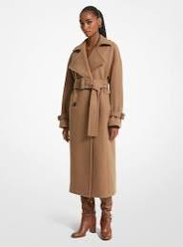 | 77C6180M42-DARK CAMEL-S | Women | Apparel | LONG LINE HEAVY WEIGHT | 1 | 449.00 € | 449.00 € | 77C6180M42-DARK CAMEL | JACKETS | DARK CAMEL | S | 100% POLYESTER | 23F | 723088742647 | 6202.40.9011 | China
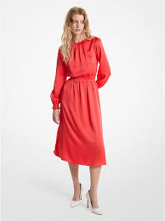 | MS482EH99G-CORAL-L | Women | Apparel | OPEN BACK MIDI DRESS | 1 | 395.00 € | 395.00 € | MS482EH99G-CORAL | JACKETS | CORAL | L | 82% TRIACETATE, 18% POLYESTER | 24S | 196237753380 | 6204.44.0090 | China
 | MS482EH99G-CORAL-M | Women |  |  | 1 | 395.00 € | 395.00 € |  |  |  | M |  |  | 196237753373
 | MS482EH99G-CORAL-XL | Women |  |  | 1 | 395.00 € | 395.00 € |  |  |  | XL |  |  | 196237753397
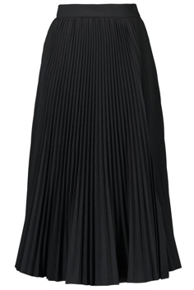 | JF570JXF84-BLACK-XL | Women | Apparel | STRIPE HEM PLEAT SKIRT | 1 | 175.00 € | 175.00 € | JF570JXF84-BLACK | JACKETS | BLACK | XL | 47% COTTON, 32% RECY CLED VISCOSE, 19% NY LON, 2% ELASTANE | 25F | 197853835870 | 6104.52.0000 | Cambodia
 | 77C6238M72-BLACK-L | Women | Apparel | TRENCH | 1 | 449.00 € | 449.00 € | 77C6238M72-BLACK | JACKETS | BLACK | L | 0 | 0 | 723088763390 | 6202.99.0090 | 0
 | 77C6238M72-BLACK-XL | Women |  |  | 1 | 449.00 € | 449.00 € |  |  |  | XL |  |  | 723088763406
 | 77C6238M72-BLACK-XXL | Women |  |  | 1 | 449.00 € | 449.00 € |  |  |  | XXL |  |  | 723088763413
 |  |  | Total Apparel |  | 66 | 282.27 € | 18,630.00 €
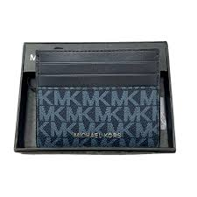 | 39F9LGYD2B-ADMIRAL BLUE-OS | Women | BAGS | Card Case | 1 | 49.00 € | 49.00 € | 39F9LGYD2B-ADMIRAL BLUE | JET SET | ADMIRAL BLUE | OS | 89.4% PVC, 9.6% POLY ESTER, 1% POLYURETHA NE |  | 193599020167 | 4202.32.1000 | India
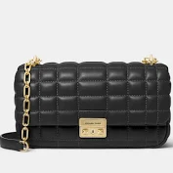 | 30R4S1SL3L-BLACK-OS | Women | BAGS | LG CONV CHAIN SHLDR | 50 | 350.00 € | 17,500.00 € | 30R4S1SL3L-BLACK | TRIBECA | BLACK | OS | 100% LAMB LEATHER | 24F | 196237507877 | 4202.21.0090 | Cambodia
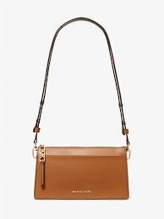 | 32H3G8EC7L-LUGGAGE-OS | Women | BAGS | LG CONV XBODY | 50 | 195.00 € | 9,750.00 € | 32H3G8EC7L-LUGGAGE | EMPIRE | LUGGAGE | OS | 100% COW LEATHER | 23H | 196237344175 | 4202.21.0090 | Indonesia
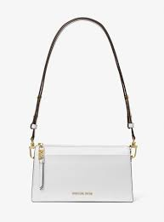 | 32H3G8EC7L-OPTIC WHITE-OS | Women | BAGS | LG CONV XBODY | 100 | 195.00 € | 19,500.00 € | 32H3G8EC7L-OPTIC WHITE | EMPIRE | OPTIC WHITE | OS | 100% COW LEATHER | 23H | 196237344137 | 4202.21.0090 | Indonesia
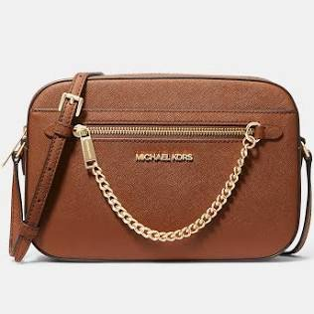 | 35T1STTC9L-DRIFTWOOD-OS | Women | BAGS | LG EW ZP CHAIN XBDY | 36 | 295.00 € | 10,620.00 € | 35T1STTC9L-DRIFTWOOD | JSTRA | DRIFTWOOD | OS | 100% COW LEATHER | 26T | 197853818750 | 4202.21.0090 | Cambodia
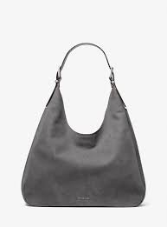 | 30F4SY5H3T-STORM-OS | Women | BAGS | LG HOBO SHLDR | 4 | 450.00 € | 1,800.00 € | 30F4SY5H3T-STORM | NOLI | STORM | OS | 100% COW LEATHER | 26S | 197853970021 | 4202.21.0090 | Indonesia
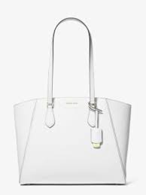 | 30F4GTBT7L-OPTIC WHITE-OS | Women | BAGS | LG MF TZ TOTE | 100 | 275.00 € | 27,500.00 € | 30F4GTBT7L-OPTIC WHITE | TARYN | OPTIC WHITE | OS | 100% COW LEATHER | 24F | 197853111301 | 4202.21.0090 | Bangladesh
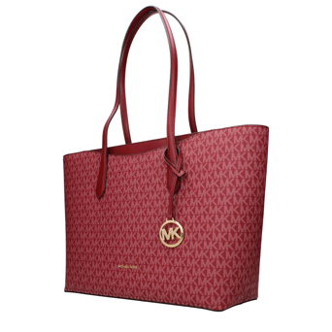 | 35F5G4XT3V-CHERRY-OS | Women | BAGS | LG TOTE | 40 | 375.00 € | 15,000.00 € | 35F5G4XT3V-CHERRY | ARDEN | CHERRY | OS | 89.4% PVC, 9.6% POLY ESTER, 1% POLYURETHA NE | 25F | 197853809000 | 4202.22.1000 | Indonesia
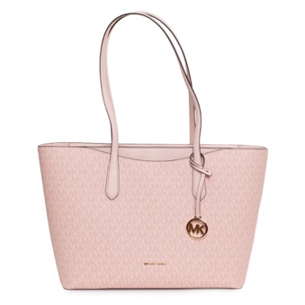 | 35F5G4XT3V-POWDER BLUSH-OS | Women | BAGS | LG TOTE | 48 | 375.00 € | 18,000.00 € | 35F5G4XT3V-POWDER BLUSH | ARDEN | POWDER BLUSH | OS | 89.4% PVC, 9.6% POLY ESTER, 1% POLYURETHA NE | 25F | 197853808997 | 4202.22.1000 | Indonesia
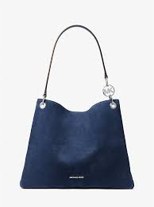 | 35F5S8WE6S-NAVY-OS | Women | BAGS | LG TRIPLE GSST SHLDR TOTE | 64 | 495.00 € | 31,680.00 € | 35F5S8WE6S-NAVY | CHRST | NAVY | OS | 100% COW LEATHER | 26T | 199125030143 | 4202.91.8090 | Indonesia
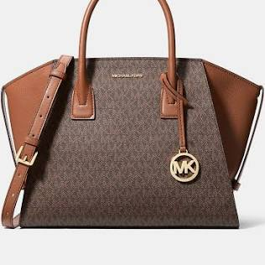 | 35F4G4VS3B-BROWN-OS | Women | BAGS | LG TZ SATCHEL | 90 | 475.00 € | 42,750.00 € | 35F4G4VS3B-BROWN | AVRIL | BROWN | OS | 89.4% PVC, 9.6% POLY ESTER, 1% POLYURETHA NE | 24F | 197853081376 | 4202.22.1000 | Indonesia
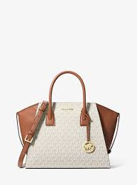 | 35F4G4VS3B-VANILLA-OS | Women | BAGS | LG TZ SATCHEL | 74 | 475.00 € | 35,150.00 € | 35F4G4VS3B-VANILLA | AVRIL | VANILLA | OS | 89.4% PVC, 9.6% POLY ESTER, 1% POLYURETHA NE | 24F | 197853081369 | 4202.22.1000 | Indonesia
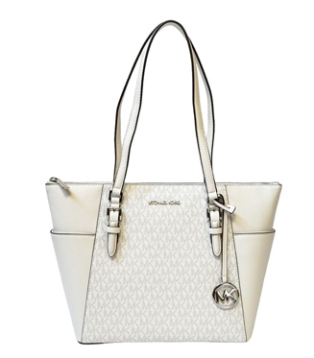 | 35T0GCFT7L-OPTIC WHITE-OS | Women | BAGS | LG TZ TOTE | 48 | 375.00 € | 18,000.00 € | 35T0GCFT7L-OPTIC WHITE | CHARLOTTE | OPTIC WHITE | OS | 100% COW LEATHER | 26T | 193599717418 | 4202.91.8090 | Indonesia
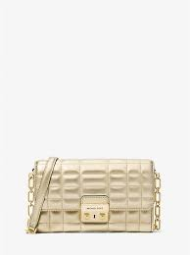 | 32S4G2RC9K-PALE GOLD-OS | Women | BAGS | LG WLLT ON CHN XBODY | 16 | 250.00 € | 4,000.00 € | 32S4G2RC9K-PALE GOLD | TRIBECA | PALE GOLD | OS | 100% LAMB LEATHER | 24F | 196237773753 | 4202.21.0090 | Bangladesh
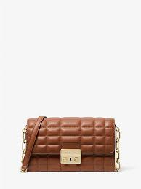 | 32S4G2RC9L-LUGGAGE-OS | Women | BAGS | LG WLLT ON CHN XBODY | 75 | 250.00 € | 18,750.00 € | 32S4G2RC9L-LUGGAGE | TRIBECA | LUGGAGE | OS | 100% LAMB LEATHER | 24F | 196237773807 | 4202.21.0090 | Bangladesh
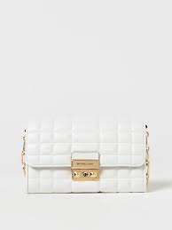 | 32S4G2RC9L-OPTIC WHITE-OS | Women | BAGS | LG WLLT ON CHN XBODY | 140 | 250.00 € | 35,000.00 € | 32S4G2RC9L-OPTIC WHITE | TRIBECA | OPTIC WHITE | OS | 100% LAMB LEATHER | 24F | 196237773777 | 4202.21.0090 | Bangladesh
 | 32S4S2RC9K-SILVER-OS | Women | BAGS | LG WLLT ON CHN XBODY | 25 | 250.00 € | 6,250.00 € | 32S4S2RC9K-SILVER | TRIBECA | SILVER | OS | 100% LAMB LEATHER | 24F | 196237775320 | 4202.21.0090 | Bangladesh
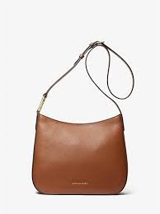 | 32S4G8KM9L-LUGGAGE-OS | Women | BAGS | LG XBODY | 9 | 225.00 € | 2,025.00 € | 32S4G8KM9L-LUGGAGE | KENSINGTON | LUGGAGE | OS | 100% COW LEATHER | 24F | 196237774149 | 4202.21.0090 | Bangladesh
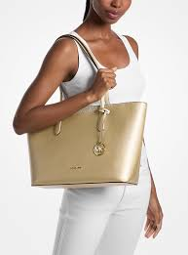 | 35F5G1YC1M-PALE GOLD-OS | Women | BAGS | LYRA | 24 | 325.00 € | 7,800.00 € | 35F5G1YC1M-PALE GOLD | CYNTHIA | PALE GOLD | OS | 89.4% PVC, 9.6% POLY ESTER, 1% POLYURETHA NE | 25F | 197853807877 | 4202.22.1000 | Bangladesh
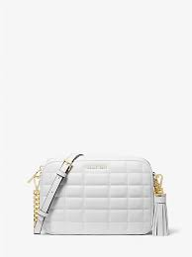 | 32R4GJ6M8L-OPTIC WHITE-OS | Women | BAGS | MD CAMERA BAG | 50 | 250.00 € | 12,500.00 € | 32R4GJ6M8L-OPTIC WHITE | JET SET | OPTIC WHITE | OS | 100% LAMB LEATHER | 24F | 196237511744 | 4202.21.0090 | Indonesia
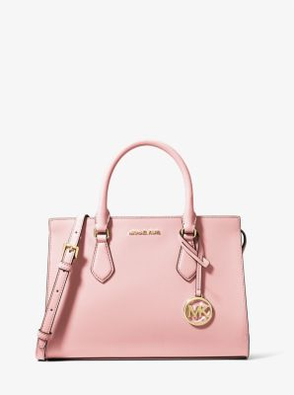 | 35S3G6HS2L-POWDER BLUSH-OS | Women | BAGS | MD CZ SATCHEL | 72 | 395.00 € | 28,440.00 € | 35S3G6HS2L-POWDER BLUSH | SHEILA | POWDER BLUSH | OS | 88.92% PVC, 11.08% P OLYESTER | 23F | 196163778556 | 4202.21.0090 | Cambodia
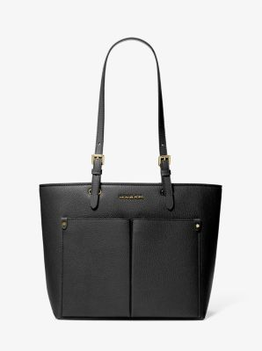 | 35F3GTVT8B-BLACK-OS | Women | BAGS | MD DBL POCKET TOTE | 120 | 350.00 € | 42,000.00 € | 35F3GTVT8B-BLACK | JET SET TRAVEL | BLACK | OS | 60% POLYURETHANE, 20 % COTTON, 20% POLYES TER | 24F | 196163988290 | 4202.21.0090 | Indonesia
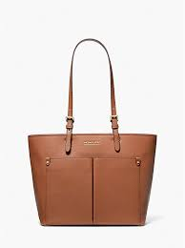 | 35F3GTVT8B-LUGAGGE-OS | Women | BAGS | MD DBL POCKET TOTE | 120 | 350.00 € | 42,000.00 € | 35F3GTVT8B-LUGAGGE | JET SET TRAVEL | LUGAGGE | OS | 60% POLYURETHANE, 20 % COTTON, 20% POLYES TER | 24F | 196237481726 | 4202.21.0090 | Indonesia
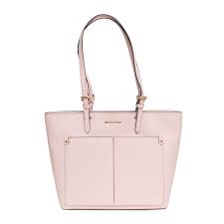 | 35F3GTVT8B-POWDER BLUSH-OS | Women | BAGS | MD DBL POCKET TOTE | 80 | 350.00 € | 28,000.00 € | 35F3GTVT8B-POWDER BLUSH | JET SET TRAVEL | POWDER BLUSH | OS | 60% POLYURETHANE, 20 % COTTON, 20% POLYES TER | 24F | 196237481801 | 4202.21.0090 | Indonesia
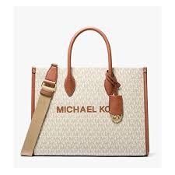 | 35R5G7ZT2B-VANILLA-OS | Women | BAGS | MD EW TOTE | 20 | 495.00 € | 9,900.00 € | 35R5G7ZT2B-VANILLA | MIREL | VANILLA | OS | 89.4% PVC, 9.6% POLY ESTER, 1% POLYURETHA NE | 25F | 197853280564 | 4202.22.1000 | Cambodia
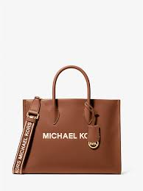 | 35R5G7ZT2L-LUGGAGE-OS | Women | BAGS | MD EW TOTE | 20 | 495.00 € | 9,900.00 € | 35R5G7ZT2L-LUGGAGE | MIREL | LUGGAGE | OS | 100% COW LEATHER | 25F | 197853280618 | 4202.21.0090 | Cambodia
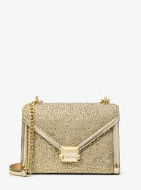 | 35F5GWHL8M-PALE GOLD-OS | Women | BAGS | MD FLAP CHN SHLDR | 48 | 450.00 € | 21,600.00 € | 35F5GWHL8M-PALE GOLD | WHITNEY | PALE GOLD | OS | TEXTILE BASE COATED IN PU | 25F | 197853807440 | 4202.22.1000 | Vietnam
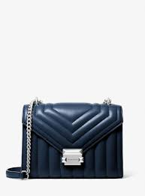 | 35R4SWHL6U-NAVY-OS | Women | BAGS | MD FLAP CHN SHLDR | 87 | 450.00 € | 39,150.00 € | 35R4SWHL6U-NAVY | WHITNEY | NAVY | OS | 52% POLYURETHANE, 48 % POLYESTER | 24F | 196237489159 | 4202.22.1000 | Vietnam
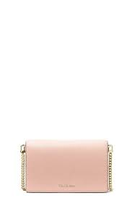 | 32T4GJ6C2L-SOFTPINK-OS | Women | BAGS | MD FLAP CHN XBODY | 100 | 195.00 € | 19,500.00 € | 32T4GJ6C2L-SOFTPINK | JET SET | SOFTPINK | OS | 100% COW LEATHER | 24F | 197853122086 | 4202.21.0090 | Bangladesh
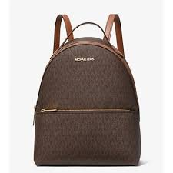 | 35F3G6HB6B-BROWN-OS | Women | BAGS | MD FRNT PKT BACKPACK | 52 | 450.00 € | 23,400.00 € | 35F3G6HB6B-BROWN | SHLA | BROWN | OS | 89.4% PVC, 9.6% POLY ESTER, 1% POLYURETHA NE | 24F | 196163989877 | 4202.92.1100 | Cambodia
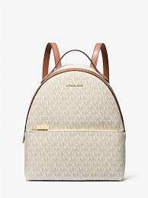 | 35F3G6HB6B-VANILLA-OS | Women | BAGS | MD FRNT PKT BACKPACK | 52 | 450.00 € | 23,400.00 € | 35F3G6HB6B-VANILLA | SHLA | VANILLA | OS | 89.4% PVC, 9.6% POLY ESTER, 1% POLYURETHA NE | 24F | 196163989860 | 4202.92.1100 | Cambodia
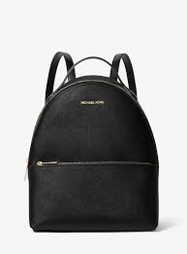 | 35F3G6HB6L-BLACK-OS | Women | BAGS | MD FRNT PKT BACKPACK | 52 | 450.00 € | 23,400.00 € | 35F3G6HB6L-BLACK | SHEIL | BLACK | OS | 88.92% PVC, 11.08% P OLYESTER | 24F | 196237300034 | 4202.92.1100 | Philippines
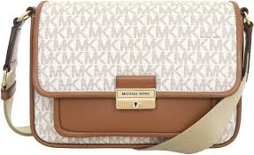 | 35R5G2BM8B-VANILLA-OS | Women | BAGS | MD PKT MSGR | 14 | 395.00 € | 5,530.00 € | 35R5G2BM8B-VANILLA | BRADSHAW | VANILLA | OS | 89.4% PVC, 9.6% POLY ESTER, 1% POLYURETHA NE | 25F | 197853280182 | 4202.22.1000 | Indonesia
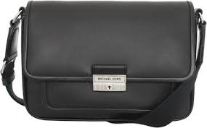 | 35R5S2BM8L-BLACK-OS | Women | BAGS | MD PKT MSGR | 86 | 395.00 € | 33,970.00 € | 35R5S2BM8L-BLACK | BRADSHAW | BLACK | OS | 100% COW LEATHER | 25F | 197853282285 | 4202.21.0090 | Indonesia
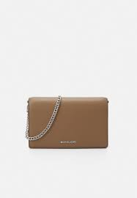 | 35F4S1QC6L-DRIFTWOOD-OS | Women | BAGS | MD POUCHETTE XBDY | 24 | 350.00 € | 8,400.00 € | 35F4S1QC6L-DRIFTWOOD | CARLM | DRIFTWOOD | OS | 100% COW LEATHER | 25F | 197853804838 | 4202.21.0090 | Bangladesh
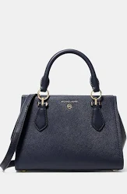 | 30S2S6AS2L-NAVY-OS | Women | BAGS | MD SATCHEL | 142 | 350.00 € | 49,700.00 € | 30S2S6AS2L-NAVY | MARILYN | NAVY | OS | 100% COW LEATHER | 22F | 196163323596 | 4202.21.0090 | Indonesia
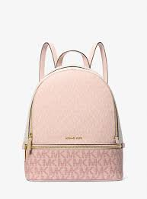 | 35S5GRAB6V-PWD BLSH MLT-OS | Women | BAGS | MD ZIP BACKPACK | 60 | 450.00 € | 27,000.00 € | 35S5GRAB6V-PWD BLSH MLT | RHEA | PWD BLSH MLT | OS | 89.4% PVC, 9.6% POLY ESTER, 1% POLYURETHA NE | 26T | 197853425620 | 4202.92.1100 | Cambodia
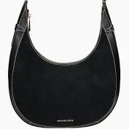 | 32T4G1UC6L-BLACK-OS | Women | BAGS | Messenger & Crossbody | 100 | 275.00 € | 27,500.00 € | 32T4G1UC6L-BLACK | AVRA | BLACK | OS | 100% COW LEATHER |  | 196237953858 | 4202.21.0090 | Bangladesh
 | 35S4S3FM5T-NAVY-OS | Women | BAGS | Messenger & Crossbody | 11 | 350.00 € | 3,850.00 € | 35S4S3FM5T-NAVY | PRATT | NAVY | OS | 87% PVC 78% POLY 4.2% CO 1% PU | 24S | 196237634689 | 4202.31.0090 | KH
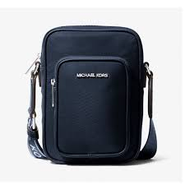 | 35T5S5FC5C-NAVY-OS | Women | BAGS | NS PKT XBODY | 106 | 295.00 € | 31,270.00 € | 35T5S5FC5C-NAVY | KHAI | NAVY | OS | 100% RECYCLED NYLON | 25T | 197853714212 | 4202.22.9090 | Indonesia
 | 35T5S5FC5C-PEANUT-OS | Women | BAGS | NS PKT XBODY | 103 | 295.00 € | 30,385.00 € | 35T5S5FC5C-PEANUT | KHAI | PEANUT | OS | 100% RECYCLED NYLON | 25T | 197853714205 | 4202.22.9090 | Indonesia
 | 35F0GTVT9L-OPTIC WHITE-OS | Women | BAGS | Shoulder Bag | 2 | 395.00 € | 790.00 € | 35F0GTVT9L-OPTIC WHITE | JET SET TRAVEL LARGE SAFFIANO | OPTIC WHITE | OS | 100% COW LEATHER | 24S | 194900033579 | 4202.31.0090 | ID
 | 35S4G3FM5T-BLACK-OS | Women | BAGS | Shoulder Bag | 13 | 350.00 € | 4,550.00 € | 35S4G3FM5T-BLACK | PRATT | BLACK | OS | 87% PVC 78% POLY 4.2% CO 1% PU | 24S | 196237629302 | 4202.31.0090 | KH
 | 35S4G3FM5T-LT CREAM-OS | Women | BAGS | Shoulder Bag | 7 | 350.00 € | 2,450.00 € | 35S4G3FM5T-LT CREAM | PRATT | LT CREAM | OS | 87% PVC 78% POLY 4.2% CO 1% PU | 24S | 196237629333 | 4202.31.0090 | KH
 | 35S4G3FM5T-LUGGAGE-OS | Women | BAGS | Shoulder Bag | 16 | 350.00 € | 5,600.00 € | 35S4G3FM5T-LUGGAGE | PRATT | LUGGAGE | OS | 87% PVC 78% POLY 4.2% CO 1% PU | 24S | 196237629326 | 4202.31.0090 | KH
 | 30F4GY5H1L-BURNT-OS | Women | BAGS | Shoulder bags | 17 | 295.00 € | 5,015.00 € | 30F4GY5H1L-BURNT | NOLITA | BURNT | OS | 100% COW LEATHER |  | 197853295759 | 4202.21.0090 | Indonesia
 | 30R4G2RL5M-PALEGOLD-OS | Women | BAGS | Shoulder bags | 21 | 295.00 € | 6,195.00 € | 30R4G2RL5M-PALEGOLD | TRIBECA | PALEGOLD | OS | 100% LAMB LEATHER |  | 196237507020 | 4202.21.0090 | Cambodia
 | 30R4G2RL7L-LUGGAGE-OS | Women | BAGS | Shoulder bags | 25 | 350.00 € | 8,750.00 € | 30R4G2RL7L-LUGGAGE | TRIBECA | LUGGAGE | OS | 100% LAMB LEATHER |  | 196237507075 | 4202.21.0090 | Cambodia
 | 30R5GBAL8M-PALE-OS | Women | BAGS | Shoulder bags | 19 | 350.00 € | 6,650.00 € | 30R5GBAL8M-PALE | COLBY | PALE | OS | 100% COW LEATHER |  | 197853296169 | 4202.21.0090 | Vietnam
 | 30S5G9IS2V-ADMIRAL BLUE-OS | Women | BAGS | Shoulder bags | 24 | 295.00 € | 7,080.00 € | 30S5G9IS2V-ADMIRAL BLUE | LAILA | ADMIRAL BLUE | OS | 89.4% PVC, 9.6% POLY ESTER, 1% POLYURETHA NE |  | 197853458338 | 4202.22.1000 | Indonesia
 | 30S5SM3L8T-ALUMI-OS | Women | BAGS | Shoulder bags | 1 | 350.00 € | 350.00 € | 30S5SM3L8T-ALUMI | DAKOTA | ALUMI | OS | 100% CALF LEATHER |  | 197853459434 | 4202.21.0090 | Vietnam
 | 35T5S5FM1C-NAVY-OS | Women | BAGS | SM BUCKET MSGR | 39 | 350.00 € | 13,650.00 € | 35T5S5FM1C-NAVY | KHAI | NAVY | OS | 100% RECYCLED NYLON | 25T | 197853714267 | 4202.22.9090 | Indonesia
 | 35T5S5FM1C-PEANUT-OS | Women | BAGS | SM BUCKET MSGR | 39 | 350.00 € | 13,650.00 € | 35T5S5FM1C-PEANUT | KHAI | PEANUT | OS | 100% RECYCLED NYLON | 25T | 197853714250 | 4202.22.9090 | Indonesia
 | 32R5SLNC1L-OPTIC WHITE-OS | Women | BAGS | SM CONV POUCHETTE | 21 | 250.00 € | 5,250.00 € | 32R5SLNC1L-OPTIC WHITE | LUDLOW | OPTIC WHITE | OS | 100% COW LEATHER | 25R | 197853300149 | 4202.21.0090 | Indonesia
 | 35T5SIMC5L-OPTIC WHITE-OS | Women | BAGS | SM CONV XBODY | 150 | 350.00 € | 52,500.00 € | 35T5SIMC5L-OPTIC WHITE | MILA | OPTIC WHITE | OS | 100% COW LEATHER | 25F | 197853711051 | 4202.21.0090 | Vietnam
 | 35F5GGRC1Y-CHERRY-OS | Women | BAGS | SM FLAP XBODY | 16 | 350.00 € | 5,600.00 € | 35F5GGRC1Y-CHERRY | GREEN | CHERRY | OS | 60% POLYURETHANE, 40 % POLYESTER | 25F | 197853805163 | 4202.22.1000 | Cambodia
 | 35S5SGRC1L-DRIFTWOOD-OS | Women | BAGS | SM FLAP XBODY | 32 | 350.00 € | 11,200.00 € | 35S5SGRC1L-DRIFTWOOD | GREEN | DRIFTWOOD | OS | 100% COW LEATHER | 26S | 197853818095 | 4202.21.0090 | Indonesia
 | 35S4GTVC5B-VANILLA-OS | Women | BAGS | SM NS XBODY | 32 | 295.00 € | 9,440.00 € | 35S4GTVC5B-VANILLA | JET SET TRAVEL | VANILLA | OS | 89.4% PVC, 9.6% POLY ESTER, 1% POLYURETHA NE | 24F | 196237627087 | 4202.22.1000 | Indonesia
 | 35S4GTVC5L-BLACK-OS | Women | BAGS | SM NS XBODY | 32 | 295.00 € | 9,440.00 € | 35S4GTVC5L-BLACK | JET SET TRAVEL | BLACK | OS | 88.92% PVC, 11.08% P OLYESTER | 24F | 196237627155 | 4202.22.1000 | Indonesia
 | 35S4GTVC5L-LUGAGGE-OS | Women | BAGS | SM NS XBODY | 32 | 295.00 € | 9,440.00 € | 35S4GTVC5L-LUGAGGE | JET SET TRAVEL | LUGAGGE | OS | 88.92% PVC, 11.08% P OLYESTER | 24F | 196237627179 | 4202.22.1000 | Indonesia
 | 35F4G1YC1V-BROWN-OS | Women | BAGS | SM POUCHETTE | 24 | 325.00 € | 7,800.00 € | 35F4G1YC1V-BROWN | CARMELA | BROWN | OS | 90% PVC, 10% POLYEST ER | 25F | 197853804432 | 4202.22.1000 | Cambodia
 | 35F4S1YC1V-BLACK-OS | Women | BAGS | SM POUCHETTE | 24 | 325.00 € | 7,800.00 € | 35F4S1YC1V-BLACK | JET SET TRAVEL | BLACK | OS | 90% PVC, 10% POLYEST ER | 25F | 197853804852 | 4202.22.1000 | Cambodia
 | 35T4S1YC1L-DRIFTWOOD-OS | Women | BAGS | SM POUCHETTE | 100 | 325.00 € | 32,500.00 € | 35T4S1YC1L-DRIFTWOOD | LYRA | DRIFTWOOD | OS | 100% COW LEATHER | 25F | 197853818866 | 4202.21.0090 | Cambodia
 | 35F4G1QC1L-LUGGAGE-OS | Women | BAGS | SM POUCHETTE XBDY | 21 | 325.00 € | 6,825.00 € | 35F4G1QC1L-LUGGAGE | CARMELA | LUGGAGE | OS | 100% COW LEATHER | 25F | 197853276888 | 4202.21.0090 | Bangladesh
 | 35F4S1QC1L-DRIFTWOOD-OS | Women | BAGS | SM POUCHETTE XBDY | 25 | 325.00 € | 8,125.00 € | 35F4S1QC1L-DRIFTWOOD | CARMELA | DRIFTWOOD | OS | 100% COW LEATHER | 25F | 197853804821 | 4202.21.0090 | Bangladesh
 | 35F4S1QC5V-DK RASPBERRY-OS | Women | BAGS | SM POUCHETTE XBDY | 25 | 325.00 € | 8,125.00 € | 35F4S1QC5V-DK RASPBERRY | CARMELA | DK RASPBERRY | OS | 89.4% PVC, 9.6% POLY ESTER, 1% POLYURETHA NE | 25T | 197853701380 | 4202.22.1000 | Cambodia
 | 35F5G1QC5M-PALE GOLD-OS | Women | BAGS | SM POUCHETTE XBDY | 25 | 325.00 € | 8,125.00 € | 35F5G1QC5M-PALE GOLD | CARMELA | PALE GOLD | OS | TEXTILE BASE COATED IN PU | 25F | 197853807839 | 4202.22.1000 | Vietnam
 | 30S5G9IT2V-ADMIRAL BLUE-OS | Women | BAGS | Tote Bags | 21 | 295.00 € | 6,195.00 € | 30S5G9IT2V-ADMIRAL BLUE | LAILA | ADMIRAL BLUE | OS | 89.4% PVC, 9.6% POLY ESTER, 1% POLYURETHA NE |  | 197853458451 | 4202.22.1000 | Indonesia
 | 30S5S9IT2V-BLACK-OS | Women | BAGS | Tote Bags | 25 | 295.00 € | 7,375.00 € | 30S5S9IT2V-BLACK | LAILA | BLACK | OS | 89.4% PVC, 9.6% POLY ESTER, 1% POLYURETHA NE |  | 197853460584 | 4202.22.1000 | Indonesia
 | 30T9S0LE3L-BLACK-OS | Women | BAGS | Tote Bags | 100 | 450.00 € | 45,000.00 € | 30T9S0LE3L-BLACK | LILLIE | BLACK | OS | 100% COW LEATHER |  | 192877800897 | 4202.21.0090 | Indonesia
 | 35S4GTFU4B-BROWN-OS | Women | BAGS | XL WEEKENDER | 24 | 525.00 € | 12,600.00 € | 35S4GTFU4B-BROWN | TRAVEL | BROWN | OS | 89.4% PVC, 9.6% POLY ESTER, 1% POLYURETHA NE | 24F | 196237626622 | 4202.92.1100 | Indonesia
 | 35S4GTFU4B-VANILLA-OS | Women | BAGS | XL WEEKENDER | 22 | 525.00 € | 11,550.00 € | 35S4GTFU4B-VANILLA | TRAVEL | VANILLA | OS | 89.4% PVC, 9.6% POLY ESTER, 1% POLYURETHA NE | 24F | 196237916198 | 4202.92.1100 | Indonesia
 | 35S4GTFU4V-BLACK-OS | Women | BAGS | XL WEEKENDER | 20 | 525.00 € | 10,500.00 € | 35S4GTFU4V-BLACK | TRAVEL | BLACK | OS | 60% POLYURETHANE, 20 % COTTON, 20% POLYES TER | 24F | 196237626653 | 4202.22.1000 | Indonesia
 | 35R5S2BC0L-BLACK-OS | Women | BAGS | XS PKT CAMERA XBODY | 129 | 350.00 € | 45,150.00 € | 35R5S2BC0L-BLACK | BRADSHAW | BLACK | OS | 100% COW LEATHER | 25T | 197853282124 | 4202.21.0090 | Indonesia
 | 35F4G4VC0L-LUGAGGE-OS | Women | BAGS | XS SATCHEL XBODY | 30 | 350.00 € | 10,500.00 € | 35F4G4VC0L-LUGAGGE | AVRIL | LUGAGGE | OS | 100% COW LEATHER | 24F | 197853081024 | 4202.21.0090 | Indonesia
 |  |  | Total BAGS |  | 3,666 | 345.80 € | 1,267,689.00 €
 | 559063T-200-L | Women | BELTS | BELTS | 54 | 129.00 € | 6,966.00 € | 559063T-BROWN | 20MM REVERSIBLE BELT | BROWN | L | 100% COW LEATHER | 24S | 722947756825 | 3926.20.0000 | CN
 | 559063T-150-M | Women | BELTS | BELTS | 259 | 129.00 € | 33,411.00 € | 559063T-VANILLA | 20MM REVERSIBLE BELT | VANILLA | M | 100% COW LEATHER | 24S | 722947756788 | 3926.20.0000 | CN
 | 559135T-230-S | Women | BELTS | BELTS | 207 | 139.00 € | 28,773.00 € | 559135T-LUGGAGE | 35MM LEATHER BELT | LUGGAGE | S | 100% COW LEATHER | 24S | 722947807770 | 4203.30.0000 | CN
 |  |  | Total BELTS |  | 520 | 132.98 € | 69,150.00 €
 | 49R5OLFE6D-PALE GOLD-7 | Women | FOOTWEAR | KNIT BOOTIE | 20 | 350.00 € | 7,000.00 € | 49R5OLFE6D-PALE GOLD | OLYMPIA KNIT BOOTIE | PALE GOLD | 7 | 92% POLYESTER, 4% SP ANDEX, 4% METALLIC | 25T | 198102562691 | 6404.19.9000 | Vietnam
...

